Cover Page
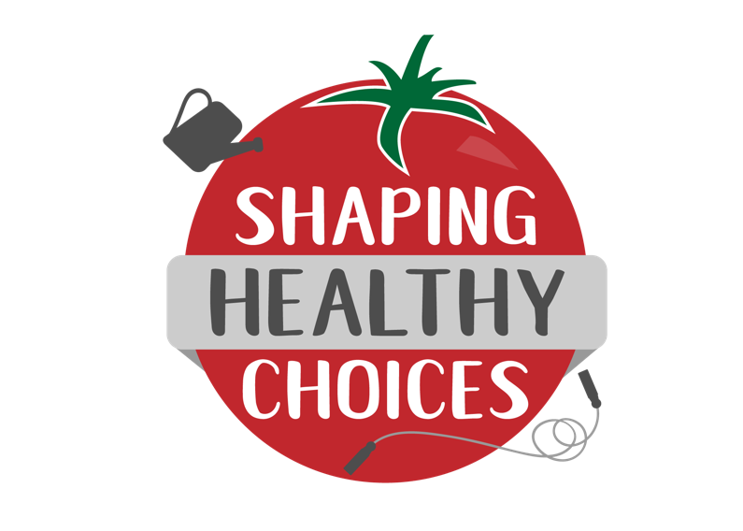
 | SHC²
 | Shaping Healthy Choices School Health Check

 | For Shaping Healthy Choices Program Implementers
School Site:
School District:
Date:
Filled out by:
Center for Nutrition in Schools, University of California, Davis (www.cns.ucdavis.edu); Department of Nutrition, University of California, Davis; University of California Agriculture and Natural Resources; University of California CalFresh Nutrition Education Program

